Sheet1
WOMENS HOODED RAINCOATS

 | Description: Me Jane Womens Hooded Raincoat
 | Style Number | Retail | Color | Picture | Size | Quantity | Total
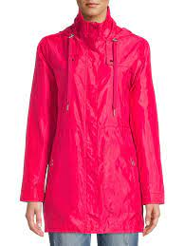

 | 11976762 | $29.88 | Hot Pink |  | XXL | 65 | 65

 |  |  |  |  |  |  | $1,942.20

