Sheet1
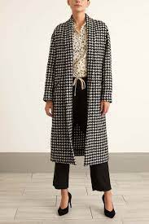
Description: Lili Lotan Grey Houndstooth Jacket
Style Number | Retail | Color | Picture | Size | Quantity
251 01 2634 | $80.00 | Grey

 |  |  |  | XXS - XL | 52

 |  |  |  |  | $4,160.00

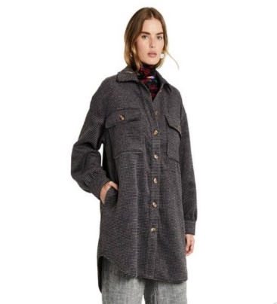
Description: Rachel Comey Anthracite Checkered Jacket
Style Number | Retail | Color | Picture | Size | Quantity
251 01 3890 | $55.00 | Gray

 |  |  |  | XXS - XL | 105

 |  |  |  |  | $5,775.00

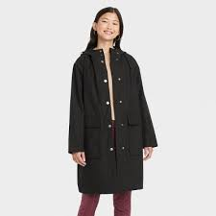
Description: A New Day Black Hooded Jacket
Style Number | Retail | Color | Picture | Size | Quantity
283 01 0849 | $40.00 | Black

 |  |  |  | XXS - XL | 13

 |  |  |  |  | $520.00

