Sheet1
Description: Goodfellow & Co. Men's Olive Blazer
Retail | Units Per Case | Cases | Color | Picture | Size | Units | Total Value
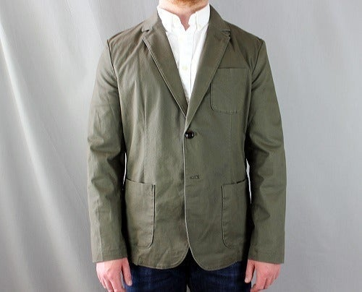

$39.99 | 6 | 6 | Olive |  | Medium | 36 | $1,439.64

 |  |  |  |  |  | 36 | $1,439.64

