Sheet1
Jessica Simpson Girls Raincoats

 | Description: Jessics Simpson Tween Light Jacket
 | UPC | Retail | Color | Picture | Size | Quantity | Total
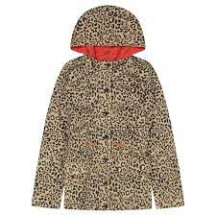
 | 9337142541 | $24.99 | Cheetah |  | 5/6 | 18
 | 9337142542 | $24.99 | Cheetah |  | 6X | 6
 | 9337142545 | $24.99 | Cheetah |  | 7/8 | 49 | 73

 |  |  |  |  |  |  | $1,824.27

