Sheet1
Assorted Hair Accessories

 | Description:Just For You Carters 2pk Hair Bows
 | UPC | Retail | Color | Picture | Size | Quantity | Total
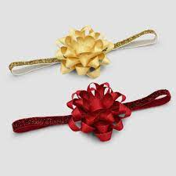
 | 8980217458 | $8.00 | Asst |  | O/S | 684 | 684

 |  |  |  |  |  |  | $5,472.00

 | Description:Universal Threads Headwrap
 | UPC | Retail | Color | Picture | Size | Quantity | Total

 | 9599432318 | $10.00 | Asst |  | O/S | 242 | 242

 |  |  |  |  |  |  | $2,420.00

 | Description:Universal Threads Headband
 | UPC | Retail | Color | Picture | Size | Quantity | Total
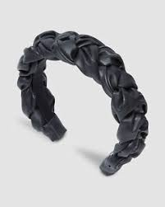
 | 9599432311 | $10.00 | Asst |  | O/S | 180 | 180

 |  |  |  |  |  |  | $1,800.00

 | Description:Universal Threads Twister Scrunchie - Suede
 | UPC | Retail | Color | Picture | Size | Quantity | Total

 | 9599432301 | $8.00 | Asst |  | O/S | 236 | 236

 |  |  |  |  |  |  | $1,888.00

 | Description:Universal Threads Twister Scrunchie
 | UPC | Retail | Color | Picture | Size | Quantity | Total
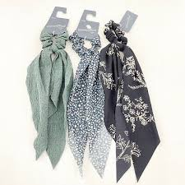
 | 9599432309 | $8.00 | Asst |  | O/S | 131 | 131

 |  |  |  |  |  |  | $1,048.00

 | Description:Universal Threads 2pc Twister Scrunchies - Knit
 | UPC | Retail | Color | Picture | Size | Quantity | Total
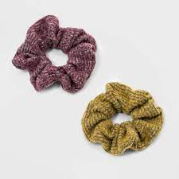
 | 9599432309 | $8.00 | Asst |  | O/S | 145 | 145

 |  |  |  |  |  |  | $1,160.00

 |  |  |  |  |  | 1618 | $13,788.00

