Sheet1
Walmart Pink Bandanas

 | Description: Pink Bandana
 | Color | Case Pack | Total Cases | Picture | Quantity
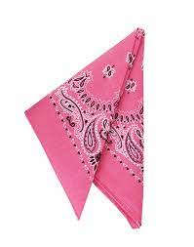

 | Pink | 72 | 75 |  | 5,400

