Sheet1
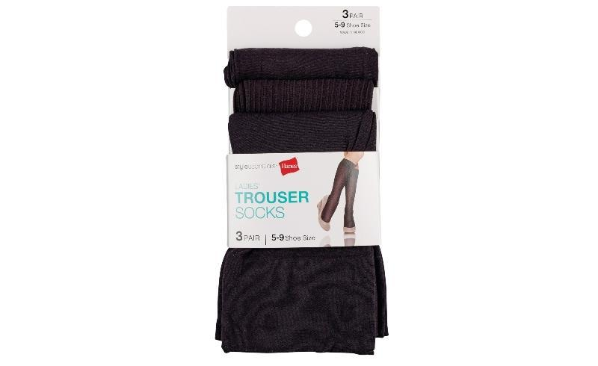
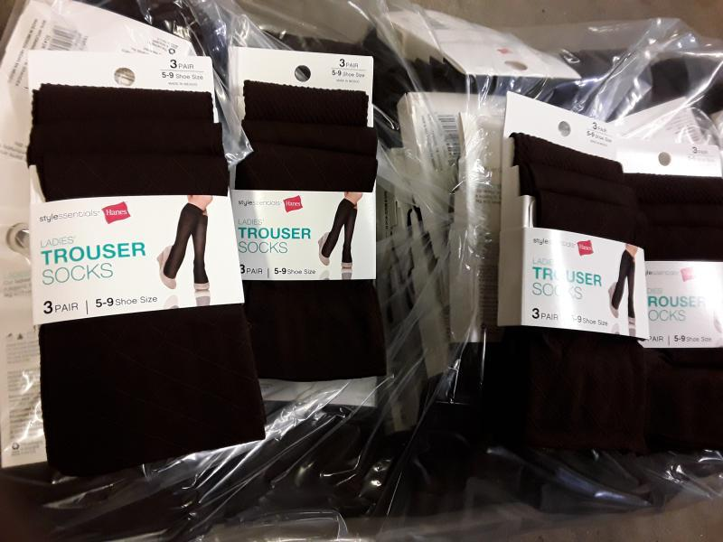
Hanes Style Essentials Ladies Trouser Socks

Make | Model | Description | Units per Case | Total Quantity | MSRP | Total MSRP | Size | Color | UPC
Hanes | Q01034 | Hanes Style Essentials Ladies' Trouser Socks (3 Pairs) | 60 | 5,460 | $7.99 | $43,625.40 | 5-9 | JAVA | 50428559031
Hanes | Q01034 | Hanes Style Essentials Ladies' Trouser Socks (3 Pairs) | 60 | 4,920 | $7.99 | $39,310.80 | 5-9 | JAVA | 50428559031
 |  |  |  | 10,380 |  | $82,936.20

