Sheet1
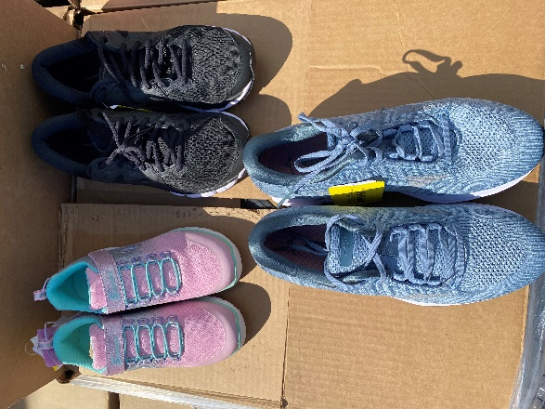
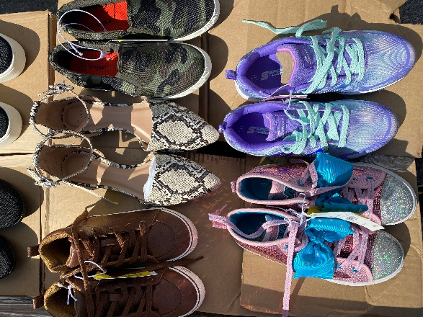
TGT Shoe Manifest

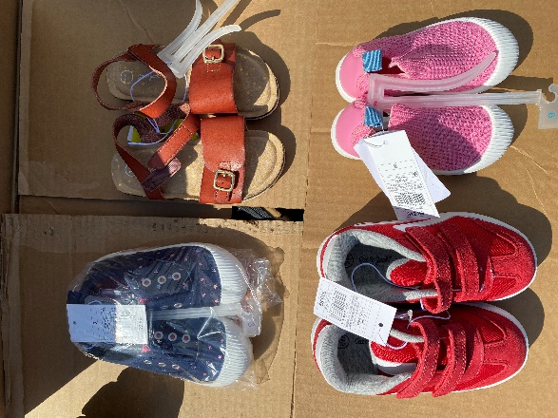
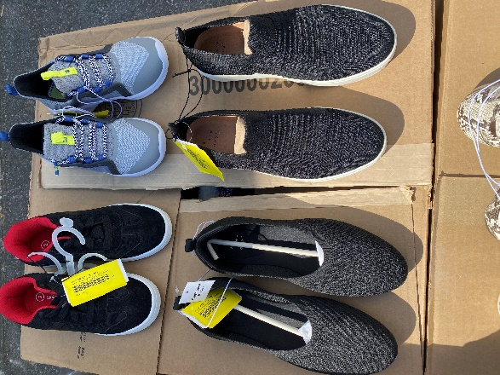
PALLET # | UNITS/PP
Pallet #18 | 388
Pallet #19 | 316
Pallet #20 | 312
Pallet #21 | 444
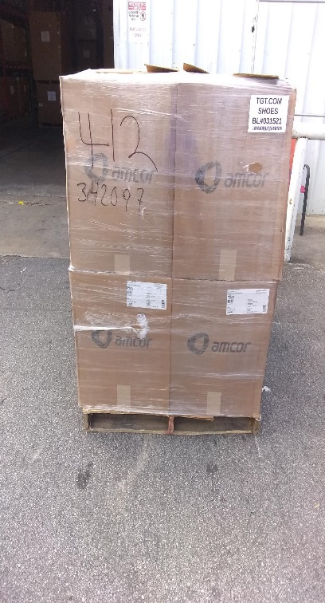
Pallet #22 | 407
Pallet #24 | 404
Pallet #25 | 493
Pallet #26 | 483
Pallet #31 | 350
TOTAL UNITS | 3597

