Sheet1
Description: Dearfoam Slippers
UPC | Retail | Units Per Case | Cases | Color | Picture | Small | Medium | Large | Xlarge | Total Units

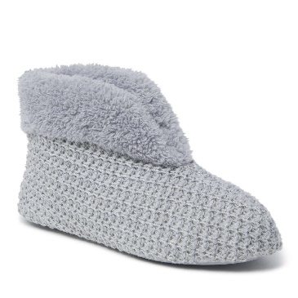
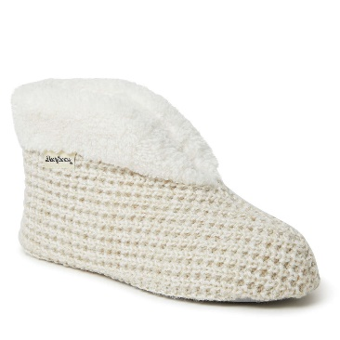
039161711357 | $30.00 | 20 | 15 | Light Heather Grey |  | 1 | 3 | 5 | 1 | 300

039161711395 |  |  |  | Oatmeal Heather |  | 1 | 3 | 5 | 1

