Sheet1
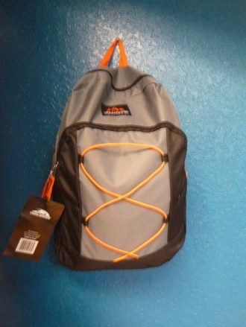
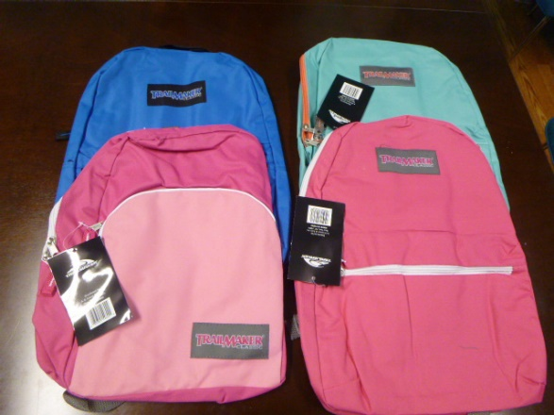
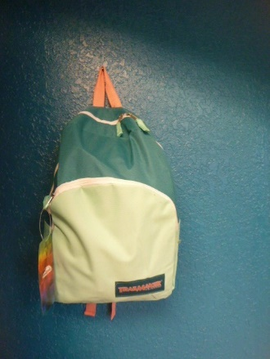
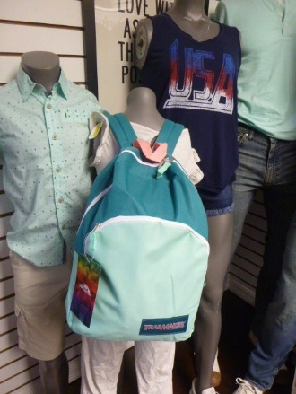
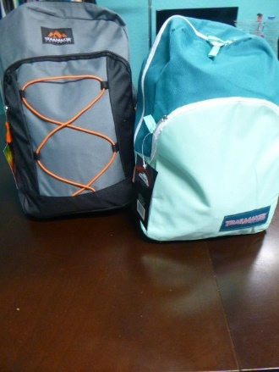
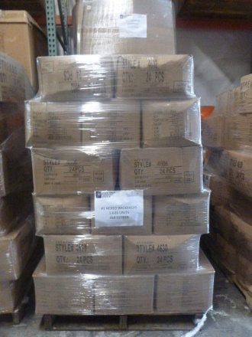
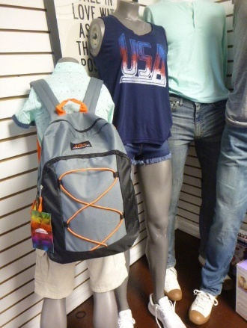
Description: Backpacks
Style # | Units Per Case | Cases | Color | Picture | Assort. | XS | S | M | L | XL | 2XL | 3XL | 4XL | Total
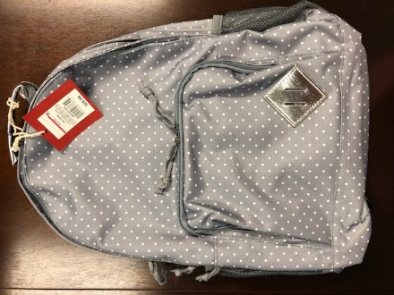

TAR5961 | 3 | 6 | Grey |  |  |  |  |  |  |  |  |  |  | 18

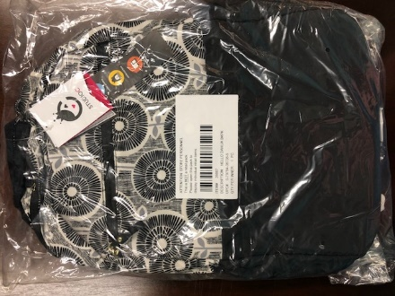

SP008792 | 3 | 15 | Black |  |  |  |  |  |  |  |  |  |  | 45

