Sheet1
Description: Beanies
Style # | Units Per Case | Cases | Color | Picture | One Size | XS | S | M | X | 1X | 2X | 3X | 4X | Total
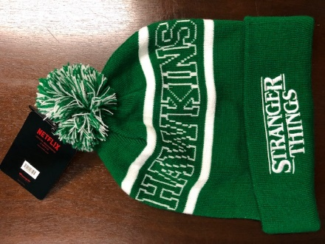

 |  |  | Green
LF-NFXBNO001 | 6 | 46 | and |  | 276 |  |  |  |  |  |  |  |  | 276
 |  |  | White

