Sheet1
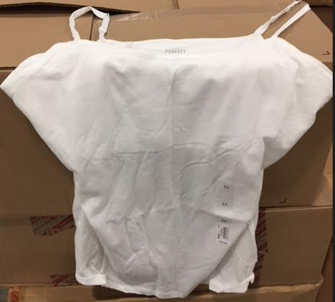
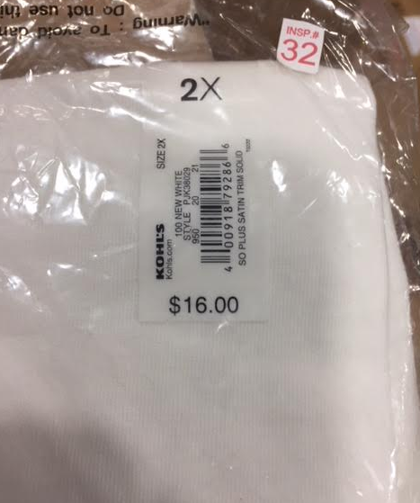
KLS Cami Tanks
Sizes: 1X, 2X, and 3X

 | Size 1X | Boxes | Units
 |  | 1 | 218

 | Size 2X | Pallets | Units
 |  | 1 | 1,500
 |  | 1 | 640

 |  | 3 | 2,358

