Sheet1
 | TGT Undergarments
 | Men, Women & Children
Bras, Panties, Boxers, Briefs, T-Shirts, Socks, Etc.



 |  | Pallet # | Units
 |  | 1 | 1,300
 |  | 2 | 1,790
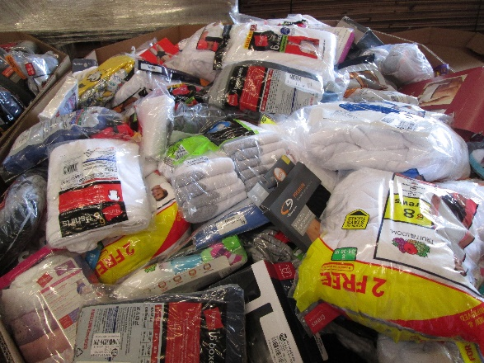
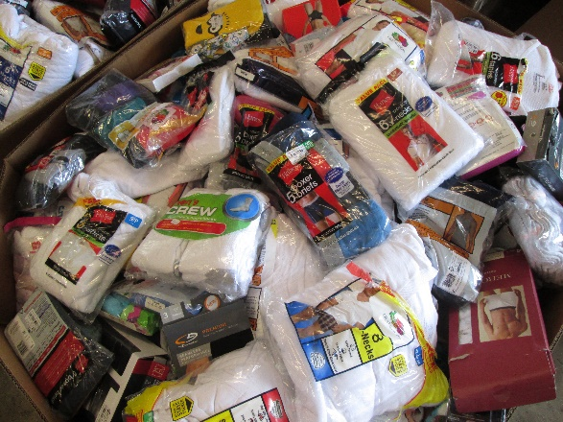
 |  | 3 | 1,871
 |  | 4 | 941
 |  | 5 | 1,875
 |  | 6 | 1,233
 |  | 7 | 1,250
 |  | 8 | 1,423
 |  | 9 | 1,580
 |  | 10 | 1,410
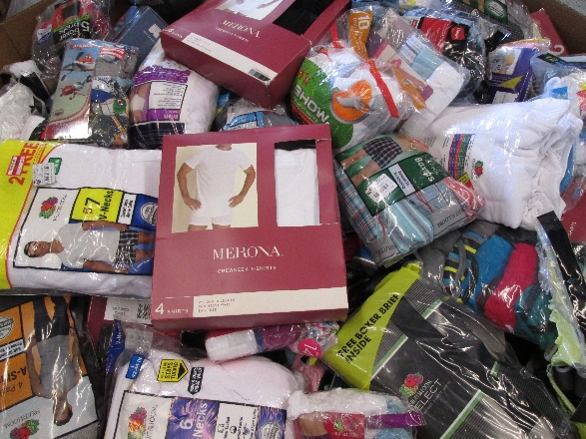
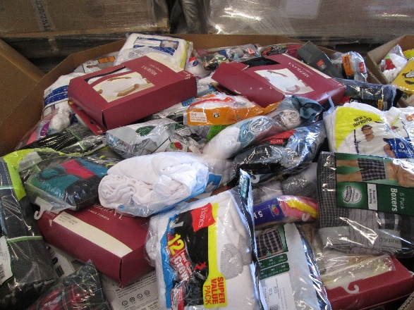
 |  | 11 | 1,188
 |  |  | 15,861

